Call out page
PPK #/Size range: |  | 381512-Sim Fit-M | Season: | SP-26 | Sample Stage: | PPS
Supplier Name: |  | Raymond America | Measurer: | Akhil | Date: | 30-May-24
FIT IMAGE
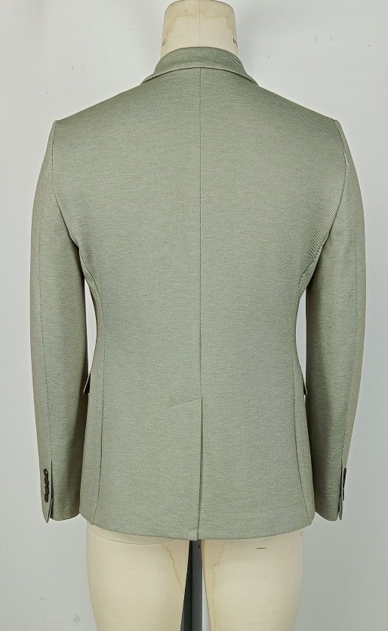 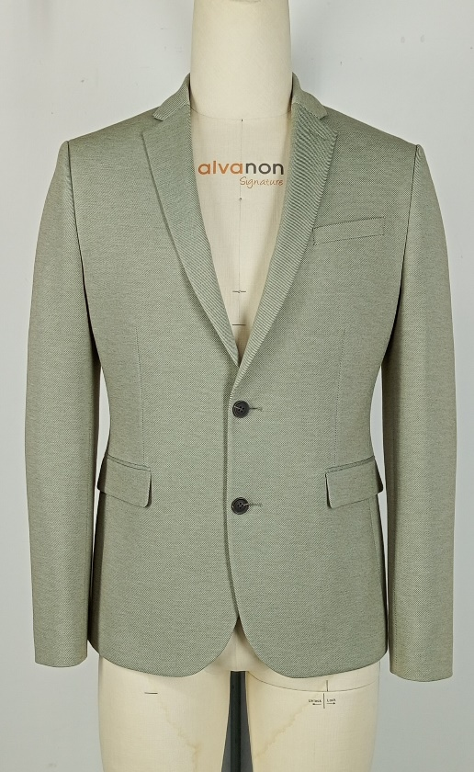 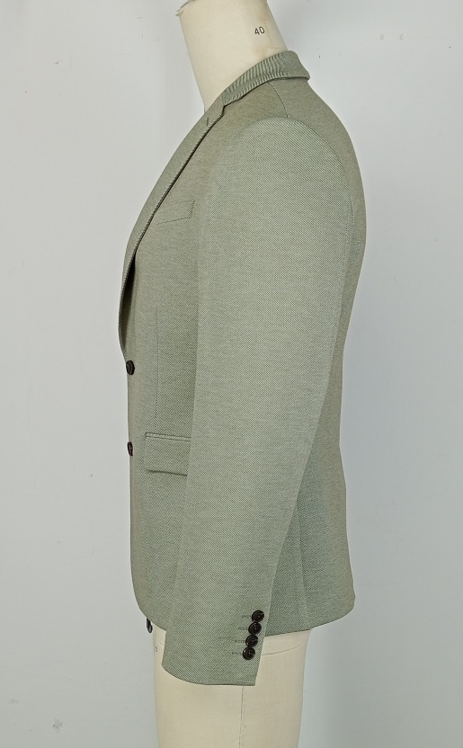

FACTORY FIT/MEASUREMENT/CONSTRUCTION/WORKMANSHIP COMMENT
1 | VTD-Akhil Rating......
2
3
4
5
6
7
8
9
10
WRITTEN CPA (FOR REG SIZE FIT KEEP/ PP SAMPLE SUBMISSION ONLY)

SKETCH/CONSTRUCTION/GRADING ISSUE

Pattern screen or overlay
